Summary
 | CYP2178 | EPA
 | 2021-01-01
Caco-2 Permeability Data Summary
Test article | Test Conc (µM) | Assay Duration (hr) | Mean A → B Papp 10-6 cm/s | Mean B → A Papp 10-6 cm/s | Efflux Ratio | Comments |  | Test article | Test Concentration (µM) | Direction | Parameter | First | Second | Mean
DTXSID4041991 | 10.0 | 2.00 | ND | 19.6 | NC | Low Recovery A → B |  | DTXSID4041991 | 10.0 | A → B | Papp | ND | ND | ND
DTXSID2021311 | 10.0 | 2.00 | ND | 3.9 | NC | Low Recovery A → B |  |  |  | A → B | Recovery | 48.6% | 24.6% | 36.6%
DTXSID2020216 | 10.0 | 2.00 | ND | 64.1 | NC | Low Recovery A → B |  |  |  | B → A | Papp | 18.4 | 20.8 | 19.6
DTXSID0029262 | 10.0 | 2.00 | ND | 145 | NC |  |  |  |  | B → A | Recovery | 47% | 57.0% | 52.2%
DTXSID8047185 | 10.0 | 2.00 | ND | ND | NC | Low Recovery A → B |  |  |  | (B → A)/(A → B) | Efflux Ratio | NC | NC | NC
DTXSID5038830 | 10.0 | 2.00 | ND | ND | NC | Low Recovery A → B |  | DTXSID2021311 | 10.0 | A → B | Papp | ND | ND | ND
DTXSID9021847 | 10.0 | 2.00 | ND | ND | NC | Low Recovery A → B and B → A |  |  |  | A → B | Recovery | 45.0% | 36.6% | 40.8%
DTXSID9026500 | 10.0 | 2.00 | ND | ND | NC | Low Recovery A → B |  |  |  | B → A | Papp | 2.2 | 5.5 | 3.9
DTXSID9026926 | 10.0 | 2.00 | ND | ND | NC | Low Recovery A → B |  |  |  | B → A | Recovery | 79.4% | 94.0% | 86.7%
DTXSID2022331 | 10.0 | 2.00 | 13.2 | 22.5 | 1.77 | Low Recovery A → B |  |  |  | (B → A)/(A → B) | Efflux Ratio | NC | NC | NC
DTXSID7035272 | 10.0 | 2.00 | ND | 5.7 | NC | Low Recovery A → B and B → A |  | DTXSID2020216 | 10.0 | A → B | Papp | ND | ND | ND
DTXSID0027270 | 10.0 | 2.00 | ND | ND | NC | Low Recovery A → B |  |  |  | A → B | Recovery | 39.5% | 68.6% | 54.1%
DTXSID8027373 | 10.0 | 2.00 | ND | 57.7 | NC | Low Recovery A → B |  |  |  | B → A | Papp | 41.8 | 86.5 | 64.1
DTXSID4027991 | 10.0 | 2.00 | ND | ND | NC | Low Recovery A → B |  |  |  | B → A | Recovery | 131% | 169.6% | 150%
DTXSID0020737 | 10.0 | 2.00 | 13.6 | 24.0 | 1.82 | Low Recovery A → B |  |  |  | (B → A)/(A → B) | Efflux Ratio | NC | NC | NC
Ranitidine | 10.0 | 2.00 | 0.902 | 3.80 | 4.26 | Low Permeability Control |  | DTXSID0029262 | 10.0 | A → B | Papp | ND | ND | ND
Talinolol | 10.0 | 2.00 | 0.435 | 13.1 | 30.5 | P-gp Efflux Control |  |  |  | A → B | Recovery | 40.1% | 83.7% | 61.9%
Warfarin | 10.0 | 2.00 | 64.7 | 33.9 | 0.533 | High Permeability Control |  |  |  | B → A | Papp | 151.7 | 139.1 | 145.4
Low recovery may be due to poor aqueous solubility, poor stability, and/or non-specific binding (high lipophilicity) of the Compound. Permeability rates for compounds with low/poor post assay recovery may be underestimated. |  |  |  |  |  |  |  |  |  | B → A | Recovery | 344.3% | 393.0% | 368.6%
ND: not determined: compound could not be detected in receiver wells |  |  |  |  |  |  |  |  |  | (B → A)/(A → B) | Efflux Ratio | NC | NC | NC
NC: not calculable |  |  |  |  |  |  |  | DTXSID8047185 | 10.0 | A → B | Papp | ND | ND | ND
n/a not applicable |  |  |  |  |  |  |  |  |  | A → B | Recovery | 0.0% | 0.0% | 0.0%
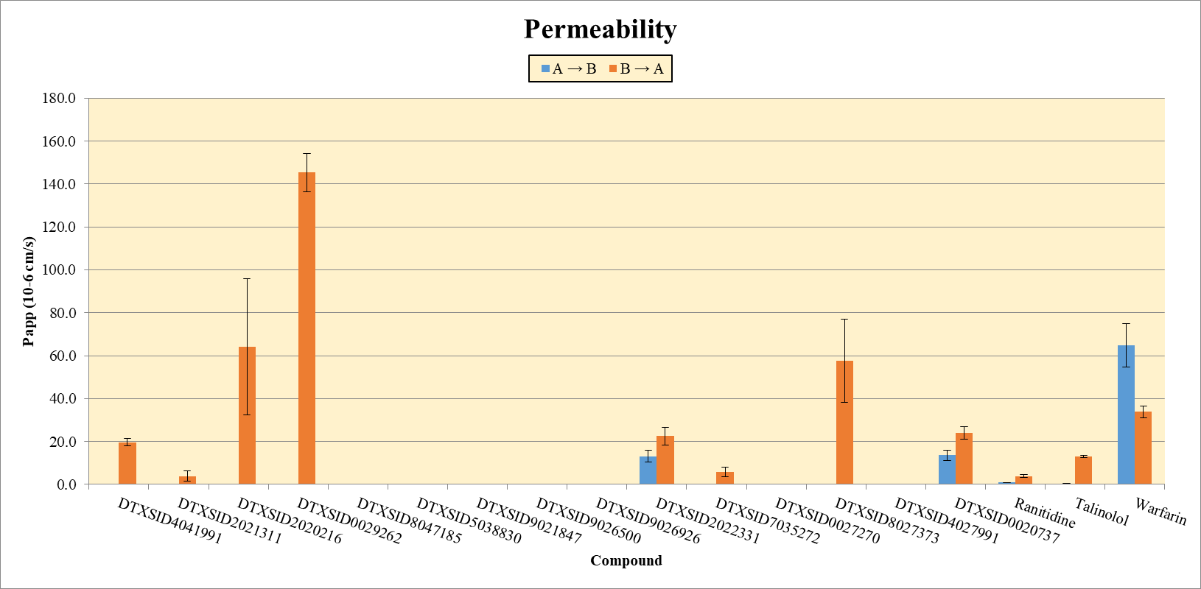
 |  |  |  |  |  |  |  |  |  | B → A | Papp | ND | ND | ND
 |  |  |  |  |  |  |  |  |  | B → A | Recovery | 41.6% | 46.5% | 44.1%
 |  |  |  |  |  |  |  |  |  | (B → A)/(A → B) | Efflux Ratio | NC | NC | NC
 |  |  |  |  |  |  |  | DTXSID5038830 | 10.0 | A → B | Papp | ND | ND | ND
 |  |  |  |  |  |  |  |  |  | A → B | Recovery | 0.0% | 0.0% | 0.0%
 |  |  |  |  |  |  |  |  |  | B → A | Papp | ND | ND | ND
 |  |  |  |  |  |  |  |  |  | B → A | Recovery | 72.6% | 81.3% | 76.9%
 |  |  |  |  |  |  |  |  |  | (B → A)/(A → B) | Efflux Ratio | NC | NC | NC
 |  |  |  |  |  |  |  | DTXSID9021847 | 10.0 | A → B | Papp | ND | ND | ND
 |  |  |  |  |  |  |  |  |  | A → B | Recovery | 19.2% | 9.4% | 14.3%
 |  |  |  |  |  |  |  |  |  | B → A | Papp | ND | ND | ND
 |  |  |  |  |  |  |  |  |  | B → A | Recovery | 7.0% | 25.8% | 16.4%
 |  |  |  |  |  |  |  |  |  | (B → A)/(A → B) | Efflux Ratio | NC | NC | NC
 |  |  |  |  |  |  |  | DTXSID9026500 | 10.0 | A → B | Papp | ND | ND | ND
 |  |  |  |  |  |  |  |  |  | A → B | Recovery | 8.8% | 8.8% | 8.8%
 |  |  |  |  |  |  |  |  |  | B → A | Papp | ND | ND | ND
 |  |  |  |  |  |  |  |  |  | B → A | Recovery | 72.1% | 80.6% | 76.4%
 |  |  |  |  |  |  |  |  |  | (B → A)/(A → B) | Efflux Ratio | NC | NC | NC
 |  |  |  |  |  |  |  | DTXSID9026926 | 10.0 | A → B | Papp | ND | ND | ND
 |  |  |  |  |  |  |  |  |  | A → B | Recovery | 28.6% | 10.8% | 19.7%
 |  |  |  |  |  |  |  |  |  | B → A | Papp | 0.000 | 0.0000 | 0.0000
 |  |  |  |  |  |  |  |  |  | B → A | Recovery | 85% | 80.8% | 83.1%
 |  |  |  |  |  |  |  |  |  | (B → A)/(A → B) | Efflux Ratio | NC | NC | NC
 |  |  |  |  |  |  |  | DTXSID2022331 | 10.0 | A → B | Papp | 11.3 | 15.1 | 13.2
 |  |  |  |  |  |  |  |  |  | A → B | Recovery | 31.3% | 34.2% | 32.7%
 |  |  |  |  |  |  |  |  |  | B → A | Papp | 25.33 | 19.61 | 22.47
 |  |  |  |  |  |  |  |  |  | B → A | Recovery | 72.6% | 65.4% | 69.0%
 |  |  |  |  |  |  |  |  |  | (B → A)/(A → B) | Efflux Ratio | 2.248 | 1.302 | 1.775
 |  |  |  |  |  |  |  | DTXSID7035272 | 10.0 | A → B | Papp | ND | ND | ND
Test article | A → B | Stdev | B → A | Stdev | Ratio | Stdev | Comments |  |  | A → B | Recovery | 23.6% | 19.4% | 21.5%
DTXSID4041991 | ND | n/a | 19.6 | 1.73 | NC | n/a |  |  |  | B → A | Papp | 4.12 | 7.38 | 5.75
DTXSID2021311 | ND | n/a | 3.9 | 2.30 | NC | n/a |  |  |  | B → A | Recovery | 42.4% | 43.1% | 42.7%
DTXSID2020216 | ND | n/a | 64.1 | 31.7 | NC | n/a |  |  |  | (B → A)/(A → B) | Efflux Ratio | NC | NC | NC
DTXSID0029262 | ND | n/a | 145.4 | 8.90 | NC | n/a |  | DTXSID0027270 | 10.0 | A → B | Papp | ND | ND | ND
DTXSID8047185 | ND | n/a | ND | n/a | NC | n/a |  |  |  | A → B | Recovery | 26.1% | 25.4% | 25.7%
DTXSID5038830 | ND | n/a | ND | n/a | NC | n/a |  |  |  | B → A | Papp | ND | ND | ND
DTXSID9021847 | ND | n/a | ND | n/a | NC | n/a |  |  |  | B → A | Recovery | 54.3% | 62.3% | 58.3%
DTXSID9026500 | ND | n/a | ND | n/a | NC | n/a |  |  |  | (B → A)/(A → B) | Efflux Ratio | NC | NC | NC
DTXSID9026926 | ND | n/a | ND | n/a | NC | n/a |  | DTXSID8027373 | 10.0 | A → B | Papp | ND | ND | ND
DTXSID2022331 | 13.2 | 2.685 | 22.5 | 4.04 | 1.71 | 0.46 |  |  |  | A → B | Recovery | 56.6% | 35.7% | 46.2%
DTXSID7035272 | ND | n/a | 5.7 | 2.30 | NC | n/a |  |  |  | B → A | Papp | 71.44 | 43.93 | 57.68
DTXSID0027270 | ND | n/a | ND | n/a | NC | n/a |  |  |  | B → A | Recovery | 263% | 325% | 294%
DTXSID8027373 | ND | n/a | 57.7 | 19.4 | NC | n/a |  |  |  | (B → A)/(A → B) | Efflux Ratio | NC | NC | NC
DTXSID4027991 | ND | n/a | ND | 0.0000 | NC | n/a |  | DTXSID4027991 | 10.0 | A → B | Papp | ND | ND | ND
DTXSID0020737 | 13.6 | 2.437 | 24.0 | 2.92 | 1.816 | 0.541 |  |  |  | A → B | Recovery | 34.7% | 30.6% | 32.7%
Ranitidine | 0.902 | 0.081 | 3.80 | 0.679 | 4.21 | 0.84 | Assay control |  |  | B → A | Papp | ND | ND | ND
Talinolol | 0.4354 | 0.0732 | 13.06 | 0.53 | 30.0 | 5.2 | Assay control |  |  | B → A | Recovery | 60.5% | 74.0% | 67.2%
Warfarin | 64.7 | 10.15 | 33.9 | 2.72 | 0.524 | 0.092 | Assay control |  |  | (B → A)/(A → B) | Efflux Ratio | NC | NC | NC
ND: not determined: compound could not be detected in receiver wells |  |  |  |  |  |  |  | DTXSID0020737 | 10.0 | A → B | Papp | 15.3 | 11.9 | 13.6
NC: not calculable |  |  |  |  |  |  |  |  |  | A → B | Recovery | 44.8% | 38.2% | 41.5%
n/a not applicable |  |  |  |  |  |  |  |  |  | B → A | Papp | 21.96 | 26.08 | 24.02
 |  |  |  |  |  |  |  |  |  | B → A | Recovery | 54.6% | 65.0% | 59.8%
 |  |  |  |  |  |  |  |  |  | (B → A)/(A → B) | Efflux Ratio | 1.434 | 2.199 | 1.816
 |  |  |  |  |  |  |  | Ranitidine | 10.0 | A → B | Papp | 0.959 | 0.844 | 0.902
 |  |  |  |  |  |  |  |  |  | A → B | Recovery | 128.7% | 133.0% | 130.9%
 |  |  |  |  |  |  |  |  |  | B → A | Papp | 3.32 | 4.28 | 3.80
 |  |  |  |  |  |  |  |  |  | B → A | Recovery | 105% | 119.9% | 113%
 |  |  |  |  |  |  |  |  |  | (B → A)/(A → B) | Efflux Ratio | 3.46 | 5.07 | 4.26
 |  |  |  |  |  |  |  | Talinolol | 10.0 | A → B | Papp | 0.487 | 0.3837 | 0.4354
 |  |  |  |  |  |  |  |  |  | A → B | Recovery | 105.9% | 96.6% | 101.2%
 |  |  |  |  |  |  |  |  |  | B → A | Papp | 12.68 | 13.43 | 13.06
 |  |  |  |  |  |  |  |  |  | B → A | Recovery | 100% | 128.9% | 114.4%
 |  |  |  |  |  |  |  |  |  | (B → A)/(A → B) | Efflux Ratio | 26.0 | 35.0 | 30.5
 |  |  |  |  |  |  |  | Warfarin | 10.0 | A → B | Papp | 71.9 | 57.5 | 64.7
 |  |  |  |  |  |  |  |  |  | A → B | Recovery | 143.5% | 117.2% | 130.4%
 |  |  |  |  |  |  |  |  |  | B → A | Papp | 32.0 | 35.8 | 33.9
 |  |  |  |  |  |  |  |  |  | B → A | Recovery | 107.7% | 122.0% | 114.8%
 |  |  |  |  |  |  |  |  |  | (B → A)/(A → B) | Efflux Ratio | 0.445 | 0.622 | 0.533
 |  |  |  |  |  |  |  | ND: not determined: compound could not be detected in receiver wells
 |  |  |  |  |  |  |  | NC: not calculable
 |  |  |  |  |  |  |  | n/a not applicable

